BOM Generator V2
LBM Modular Configurator

Setup Inputs Here |  |  |  | Calculated Dimensions
Select # Displays Wide |  | 2 |  | Wall Width | 95.4 in | 242.4 cm
Select # Displays Tall |  | 2 |  | Top Height (Max) | 113.9 in | 289.3 cm
Select Column Extender |  | 36in Extender |  | Top Row Center Height (Max) | 100.5 in | 255.3 cm
Select Single Sided or Double Sided |  | Single Sided |  | Bottom Height (Max) | 60.3 in | 153.1 cm
Select Portrait or Landscape Instalation |  | Landscape |  | Height of Displays | 53.6 in | 136.2 cm
 |  |  |  | Rail Length | 72.0 in | 182.9 cm
Desired Display Gap |  | 0.040 in |  | Total Display Weight | 227.6 lbs. | 103.2 kg
Select Display Model |  | NEC - UN552VS |  | *Calculations based off centered Vesa patterns
* If your model is not listed you can enter it on the next tab.
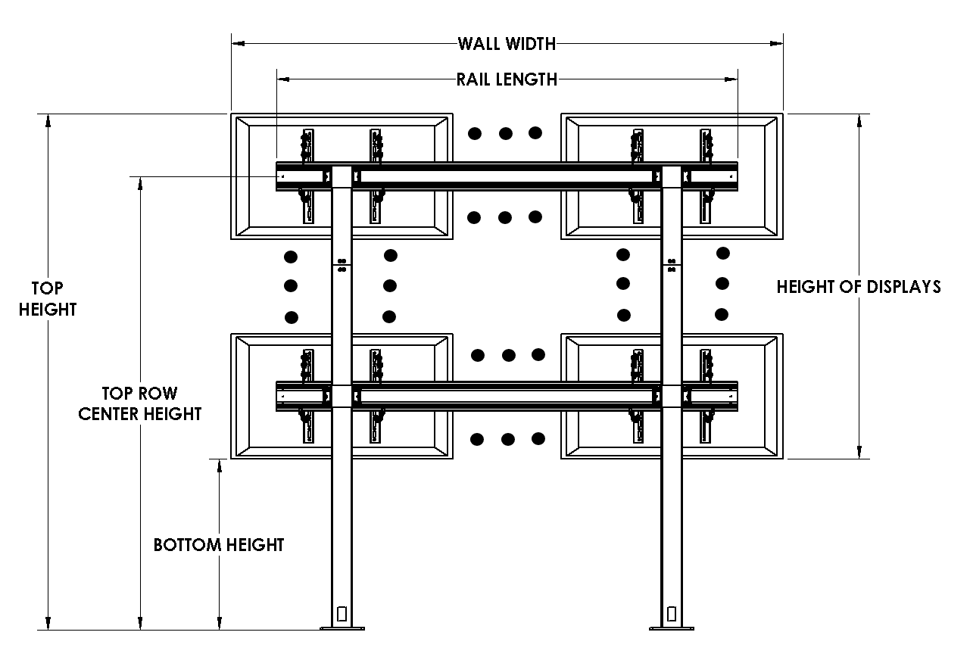
Display Width |  | 47.7 in
Display Height |  | 26.8 in
Vesa Mounting Width |  | 400 mm
Vesa Mounting Height |  | 400 mm
Display Weight |  | 56.9 lbs.
VESA Mounting Screw Size |  | 6 mm

Required Components
Component | Description |  | QTY
FMSFC | Bolt-Down Column |  | 2
FMSFR | Row to Column Connector |  | 4
FMSIML | MM Video Wall Interface |  | 4
FMSECAP | Horizontal Rail Endcaps |  | 2
FMSH72 | 72" Horizontal Rail |  | 2
FCABX36 | 36" column Ext |  | 2

Landscape | 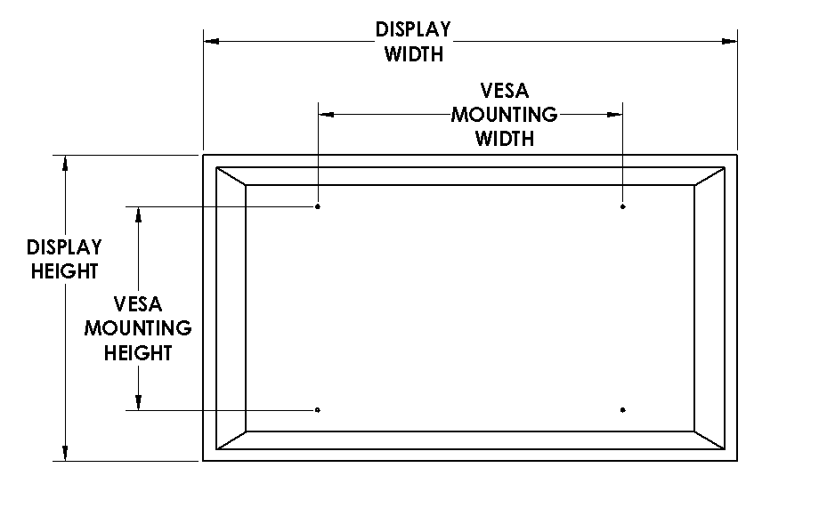
Portrait | 