Break-Even Model
Carl's Cafe Break-Even Model

Play around with all the costs and the Gross Margin. You can then see how this
affects the sales level you would have to achieve to break-even.

Gross Margin |  | 75% |  |  | ONLY CHANGE YELLOW CELLS. THE REST ARE FORMULAS!


Fixed Costs (annually):
Staff Wages |  | £45,000
Rent |  | £35,000
Heat & Light |  | £6,000
Cleaning |  | £9,000
Other Misc Costs |  | £5,000
Interest |  | £5,000
Depreciation |  | £15,000

Total Fixed Costs |  | £120,000

SALES BREAK-EVEN POINT |  | £160,000

You can also look at the break-even point in terms of number of
customers required, depending on how much they spend:

Customer Spend Per Visit |  | £10

VOLUME BREAK-EVEN POINTS |  | 16,000 | Customers Per Year
 |  | 308 | Customers Per Week
 |  | 44 | Customers Per Day

Break-Even Formula Explained

If the Gross Margin is 75%, for every £1 of sales 75p of profit will be generated.
If the Total Fixed Costs are £120,000, then how many lots of 75p do you need to break-even?

Formula is: | Fixed Costs | i.e. | £120,000 | = | £160,000
 | Gross Margin |  | 0.75

The BEP must include all costs, including Depreciation and Interest.

Corporation Tax is not relevant - it is not a 'cost'. Also, in theory, if you are breaking-even
as a business there would be no Corporation Tax payable, as you had not made a profit.

Terminology

Get used to the fact that the terms Fixed Costs, Operating Expenses, and Overheads, are all somewhat inter-changeable terms!
In some cases, these terms may be before the inclusion of Interest and even Depreciation.
Simply remember that in the case of Break-Even Analysis you must include all costs, including Interest and Depreciation,
regardless of how the costs are described.

Errors & Omissions

Whilst every effort has been made to make this model accurate and to ensure that the comments are accurate, the author does not accept any
liability for errors omissions, nor for any decisions made from using this methodology. You use entirely at you own risk.

Entrepreneurial Finance Book

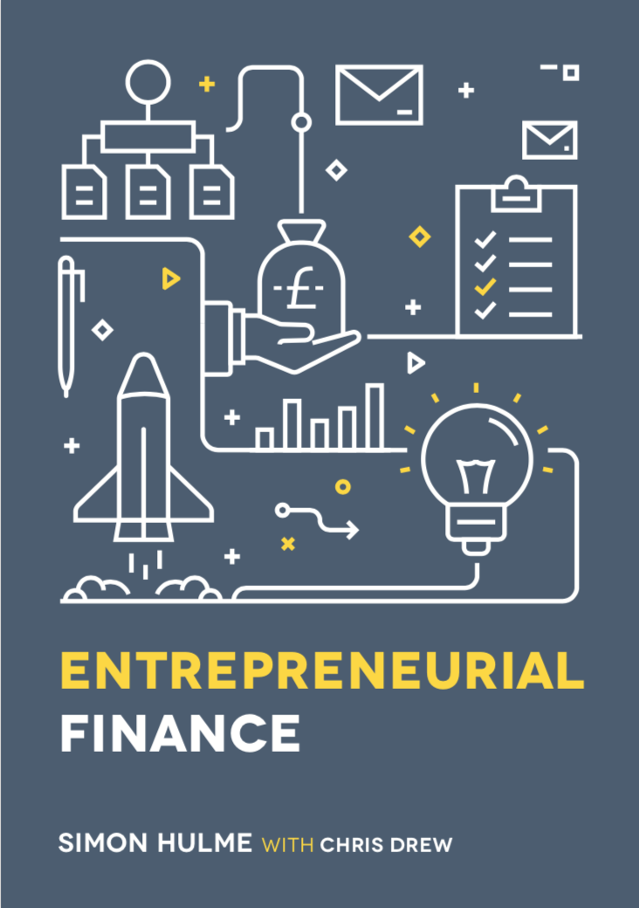
 |  | This book (co-written with Chris Drew) provides a comprehensive
 |  | explanation of break-even analysis.

 |  | https://www.bloomsburyonlineresources.com/entrepreneurial-finance

Contact Information for Simon Hulme

UCL School of Management: |  |  | s.hulme@ucl.ac.uk
 |  |  | https://www.mgmt.ucl.ac.uk/people/simonhulme

Book Related Comments: |  |  | efbook@simonhulme.co.uk

Personal Website: |  |  | www.simonhulme.co.uk

Copyright

© Simon Hulme and Chris Drew 2011-2022

The contents of this spreadsheet can be freely used and adapted by students, entrepreneurs and educators without further permission.

