Introduction
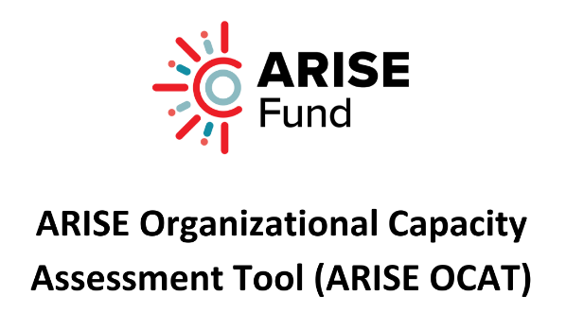

 | Organization Name:

 | Assessment Month: |  |  | Day: | Year:

 | Background

 | The END Fund is the world’s leading collaborative philanthropic investment vehicle dedicated to controlling and eliminating neglected tropical diseases (NTDs). A consortium of donors, the Bill & Melinda Gates Foundation, Elma Foundation, and the Children’s Investment Fund Foundation (CIFF), committed $100M over 5 years to provide both short- and longer-term support in multiple countries. This effort, named ARISE (Accelerate Resilient, Innovative, and Sustainable Elimination of NTDs), is broken down into two phases. The first phase (ARISE I), focused on providing urgent and critical assistance in 16 African and Asian countries.

 | The second phase, ARISE II, began in the last quarter of 2022 and is a 3.5-year program which focuses on providing longer-term technical and financial support to five countries: Burkina Faso, Ethiopia, Kenya, Senegal, and South Sudan. This process focuses on increasing partnerships and grants to local partners, and also to support local partners, advocates, and governments with technical expertise tailored to addressing NTD-related policy and solutions.
 | Purpose

 | ARISE II wants to find the most dedicated, competent and efficient local partners in the selected countries. In order to better understand the strengths and weaknesses of each organization and to see how they would be best suited to receive ARISE funds, an organizational capacity assessment will be used to understand the workings of each organization and to determine areas of strength and improvement. The overall goal of the ARISE OCAT is to determine if the assessed partner would be a qualified steward of ARISE II funds and contribute to the goal of increasing partnership with local partners (including governments and regional partners in the communities where we work and seek to expand) from 39% in 2021 to 80% in 2024.
 | Using This Tool

 | The ARISE OCAT involves a facilitated self-assessment process that fosters active engagement. The facilitator and participants convene to assess each aspect and gauge the organization's level of implementation. The facilitator employs open-ended and exploratory queries to prompt group deliberation, while documenting participants' feedback. This is not a scientific process and focuses on allowing organizations a chance to reflect on their current status against recognized best practices.

 | Summary

 | In summary, this tool is a strategy performance management tool (e.g., balanced scorebard) of your unit.

 | An advocacy tool that provides a complete 360 view - where are you, what are you doing well and where do you need to improve.

 | The long-term goal is for the MoH to become the grant manager for local partners in the NTD space.

 | The ARISE OCAT is broken down into eight organizational domains, each with a varied number of sub-questions (46 questions in total).

 | 1 | Governance
 | 2 | Administration
 | 3 | Human Resource Management
 | 4 | Financial Management
 | 5 | Organizational Management
 | 6 | Program Management
 | 7 | Project Performance Management
 | 8 | Sustainability & Resource Mobilization
 | 9 | Country-Specific

 | All questions on the OCAT are scored on a continuum of 1-4, with the higher the score representing a greater level of proficiency. Each question contains a set of examples relevant to the score to be assigned.

 | Month | Day | Year
 | January | 1 | 2023
 | February | 2 | 2024
 | March | 3 | 2025
 | April | 4
 | May | 5
 | June | 6
 | July | 7
 | August | 8
 | September | 9
 | October | 10
 | November | 11
 | December | 12
 |  | 13
 |  | 14
 |  | 15
 |  | 16
 |  | 17
 |  | 18
 |  | 19
 |  | 20
 |  | 21
 |  | 22
 |  | 23
 |  | 24
 |  | 25
 |  | 26
 |  | 27
 |  | 28
 |  | 29
 |  | 30
 |  | 31

1
2
3
4

Dashboard
Overall Organzation Domain Results

Target = 2.50

