How to use this data book
How to Use this Data Book

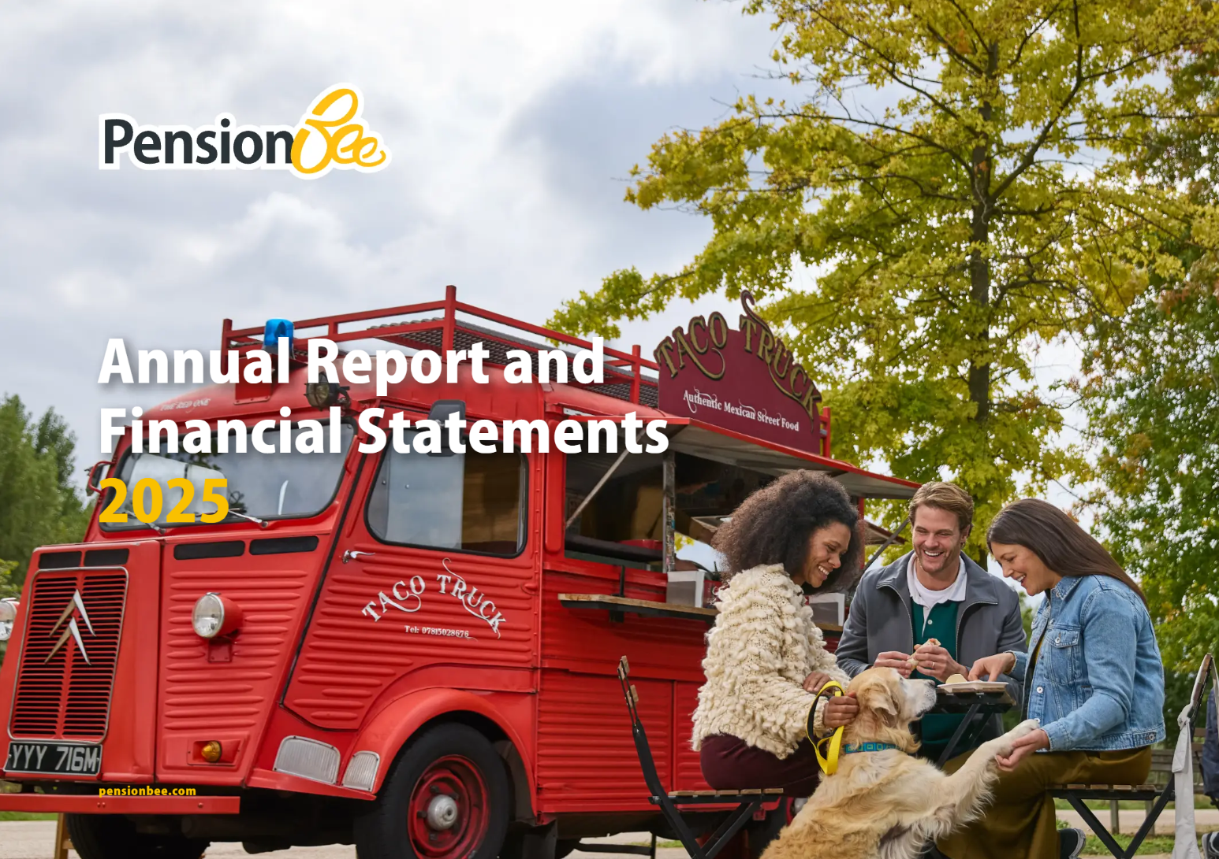
 | As a leading online pension company, we’re conscious of the environmental, social and corporate governance impact we can have. We intend to use our influence to build a better future - for our customers, society and the planet. We are committed to transparency in our ESG work, disclosing our targets and relevant metrics. This approach supports accountability and keeps our stakeholders informed of our progress.
 |  | Read more PensionBee Annual Report and Financial Statements 2025

 | Data Book
 | This data book presents key figures in relation to environmental, social and governance (ESG) topics. The data book contains information that is already publicly available through our Annual Reports, ESG Hub, and framework questionnaires. Please follow the menu below to further explore the different ways in which we commit to sustainability.

 | Menu
 | ESG Goals
 | ESG Reporting
 | Governance Data
 | Environment data
 | Social Data
 | Board and Executive Committee Composition
 | Policies
 | UN SDGs

