Rental Property
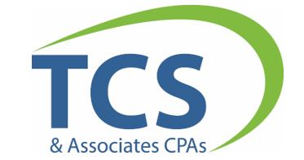

Rental Properties (Sch E) | Property 1 | Property 2 | Property 3 | Property 4

Property Address/Name:

Rental Income

Operating Expenses
Advertising
Travel
Cleaning
Insurance
Legal & Accounting Fees
Management Fees
Mortgage Interest (Include Form 1098 from Lender)
Repairs & Maintenance ($250 or less per item)
Supplies
Taxes
Utilities

Other Expenses
Alarm Service
Association Dues
Bank Service Charges
Dues & Subscriptions
Internet Service
Meals
Miscellaneous
Office Supplies
Postage & Delivery
Telephone (Cell)
Telephone (Home Office/Fax)

Total Expenses

Business Miles Driven

Improvements or Major Repairs
Description: | Date | Cost | Which Property

Please Note: If you used a credit card, please be sure to include the actual expenses incurred.

TCS & Associates CPAs 9700 Touchton Road, Suite 103, Jacksonville, FL 32246 904-347-2050

